产品 (2)
ITEM NO. | 种类 | 图示 | 纸箱规格 | 包装规格 | QTY | YK ORDER
NO-139 | 笔刨 | 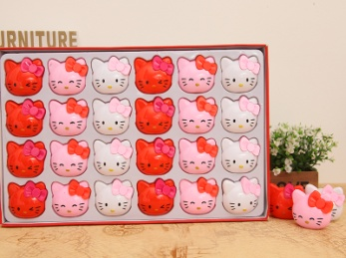 | 74.2*41.5*59.7 | 48个*12盒*2中箱 | 1152 | -
NO-140 | 笔刨 | 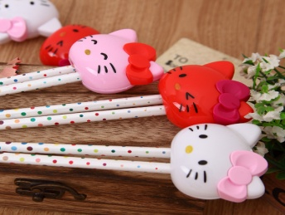 | 67.3*48.5*47.6 | 36个*16盒*2中箱 | 1152 | -
NO-148 | 笔刨 | 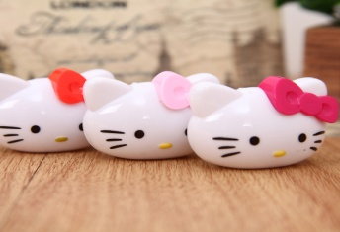 | 64.8*54.3*69.2 | 24个*60桶*2中箱 | 2880 | -
NO-149B | 笔刨 | 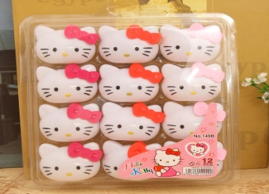 | 70.3*46.5*48.3 | 12个*60盒*3中箱 | 2160 | 2
NO-153B | 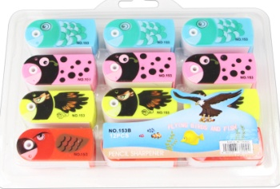 笔刨 |  | 69.1*61*35 | 12个*75盒*3中箱 | 2700 | -
NO-156 | 笔刨 | 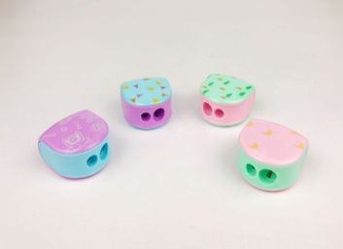 | 72*61*58.6 | 36*30桶*2中箱 | 2160 | -
NO-156B | 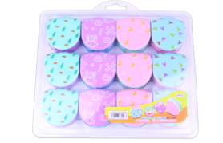 笔刨 |  | 74.5*67.6*40.6 | 12个*60盒*3中箱 | 2160 | 2
DY-334 | 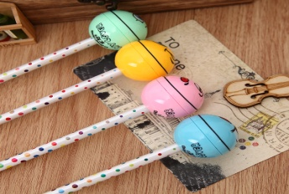 笔刨 |  | 63*59*53.5 | 60个*12筒*3中箱 | 2160 | -
DY-334B | 笔刨 | 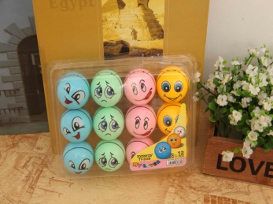 | 68.3*52.5*61.8 | 12个*75盒*3中箱 | 2700 | 2
DY-339 | 笔刨 | 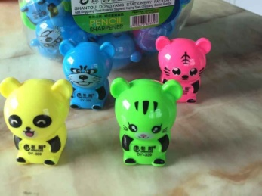 | 77.2*62*50.7 | 72个*20筒*2中箱 | 2880 | -
DY-339B | 笔刨 | 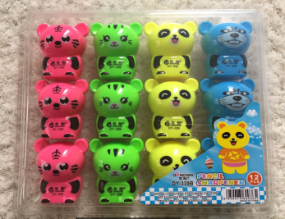 | 72.7*59*59.8 | 12个*60盒*3中箱 | 2160 | -
DY-347 | 笔刨 | 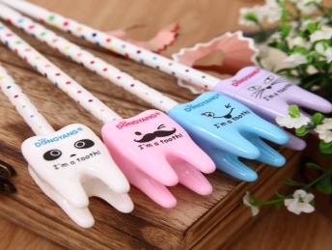 | 71.6*57*50 | 80个*20筒*2中箱 | 3200 | -
DY-347B | 笔刨 | 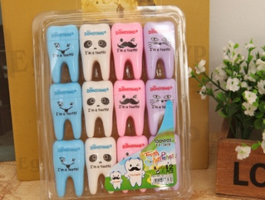 | 71.1*50.5*51.3 | 12个*75盒*3中箱 | 2700 | -
DY-349 | 笔刨 | 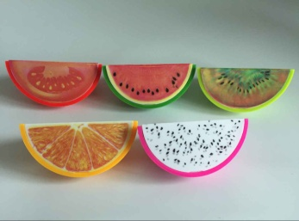 | 67.8*54.5*53.4 | 60个*20筒*3中箱 | 3600 | -
DY-349B | 笔刨 | 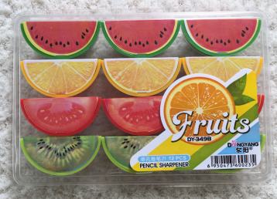 | 71*59.7*49.8 | 12个*75盒*3中箱 | 2700 | 2
DY-353 | 笔刨 | 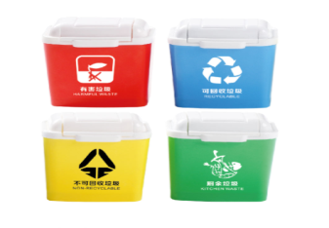 | 55*41.2*54.6 | 36个*18盒*2中箱 | 1296 | 2
DY-354 | 笔刨 | 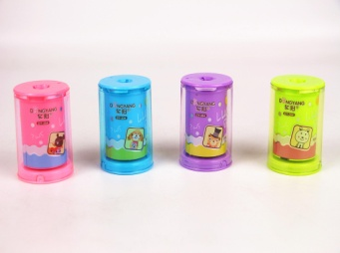 | 66*52.5*57 | 24个*48盒 | 1152 | 2
DY-355 | 笔刨 | 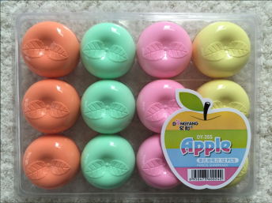 | 68.3*65.8*53.1 | 12个*60盒*3中箱 | 2160 | -
DY-356 | 笔刨 | 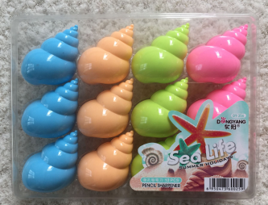 | 73.9*57*62.7 | 12个*54盒*2中箱 | 1296 | -
DY-359 | 笔刨 | 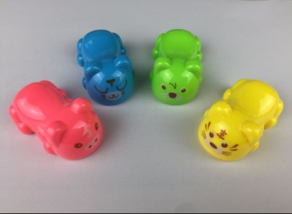 | 72*46.8*65 | 60个*15筒*3中箱 | 2700 | -
DY-359B | 笔刨 | 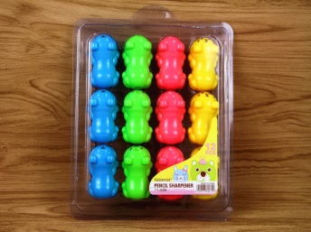 | 73.9*57*62.7 | 12个*60盒*3中箱 | 2160 | -
DY-365 | 笔刨 | 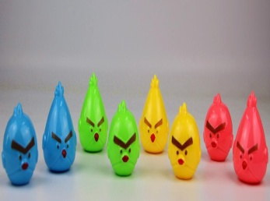 | 65.6*60.6*62.9 | 24个*60桶*2中箱 | 2880 | -
DY-368 | 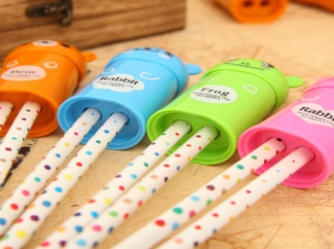 笔刨 |  | 74*43.5*66.4 | 24个*24盒*2中箱 | 1152 | -
DY-370 | 笔刨 | 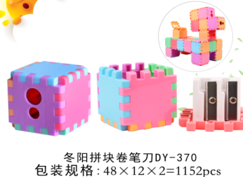 | 54*49.5*72 | 48个*12盒*2中箱 | 1152 | 2
DY-373 | 笔刨 | 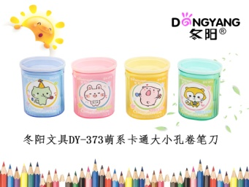 | 59*41*57.5 | 48个*12盒*2中箱 | 1152 | -
DY-379 | 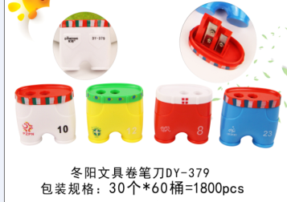 笔刨 |  | 73.9*57*62.7 | 30个*30桶*2中箱 | 1800 | -
DY-380 | 笔刨 | 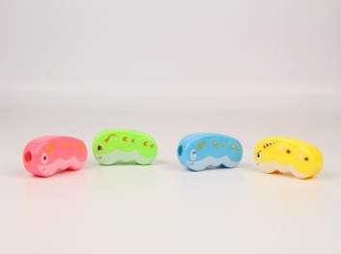 | 72.7*59*59.8 | 36*40桶*2中箱 | 2880 | -
DY-380B | 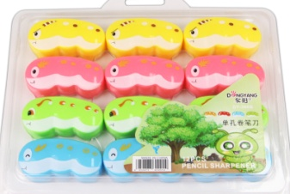 笔刨 |  | 73.3*62.5*31.3 | 12*70盒*3中箱 | 2520 | -
DY-381 | 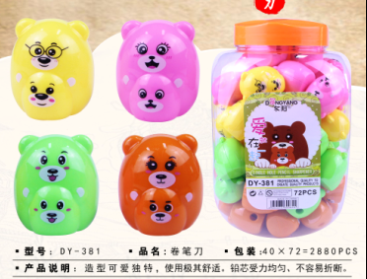 笔刨 |  | 77.2*62*50.7 | 72个*20筒*2中箱 | 2880 | -
DY-381B | 笔刨 | 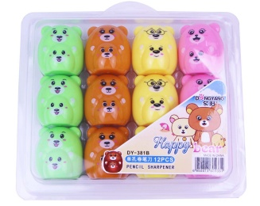 | 59.4*51*64.5 | 12个*60盒*3中箱 | 2160 | -
DY-382 | 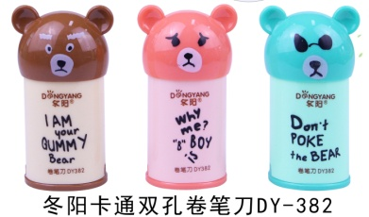 笔刨 |  | 74*43.5*66.4 | 24个*24盒*2中箱 | 1152 | 2
DY-384 | 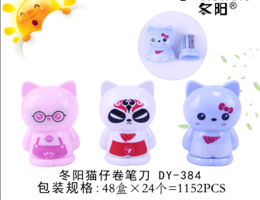 笔刨 |  | 60.3*46.3*66.7 | 24个*24盒*2中箱 | 1152 | 2
DY-385 | 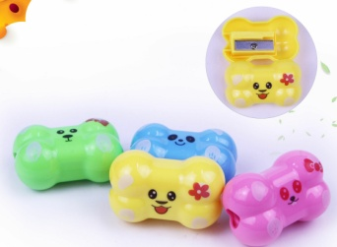 笔刨 |  | 67.8*54.5*53.4 | 60个*20筒*3中箱 | 3600 | -
DY-385B | 笔刨 | 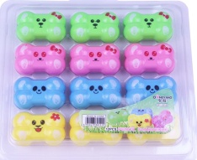 | 65.6*59.5*50.6 | 12个*120盒*2中箱 | 2880 | -
DY-386 | 笔刨 | 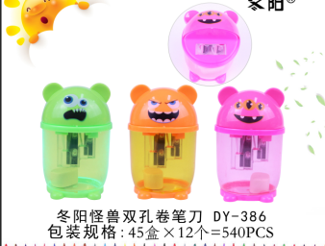 | 75*50*76.5 | 12个*45盒 | 540 | -
DY-388 | 笔刨 | 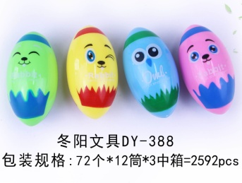 | 63*59*52.6 | 72个*12筒*3中箱 | 2592 | -
DY-389 | 笔刨 | 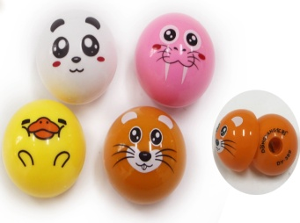 | 63*59*53.5 | 60个*12筒*3中箱 | 2160 | -
DY-391 | 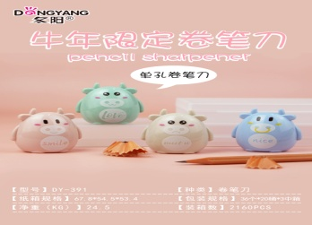 笔刨 |  | 67.8*54.5*53.4 | 36个*20筒*3中箱 | 2160 | -
TY-810 | 笔刨 | 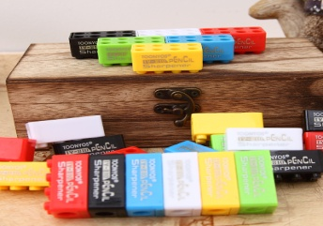 | 61.5*57.5*51 | 108个*12筒*3中箱 | 3888 | 2
TY-811 | 笔刨 | 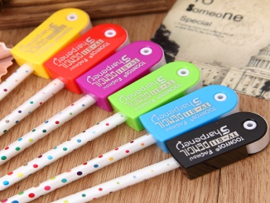 | 64.5*51*60 | 72个*15筒*3中箱 | 3240 | 2
TY-812 | 笔刨 | 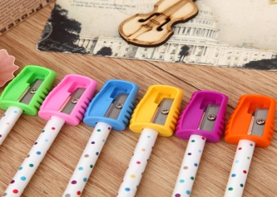 | 66*56*56 | 36个*90筒*2中箱 | 6480 | -
TY-813B |  笔刨 |  | 66*56*56 | 24个*90筒*2中箱 | 4320 | -
TY-814 | 笔刨 | 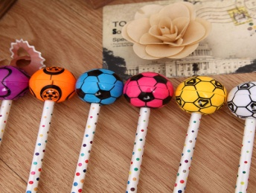 | 63*59*53.5 | 60个*12筒*3中箱 | 2160 | -
TY-814B | 笔刨 | 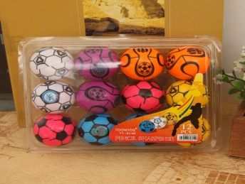 | 68.3*52.5*61.8 | 12个*75盒*3中箱 | 2700 | 2
TY-815 | 笔刨 | 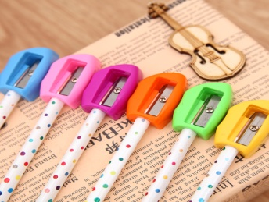 | 58.3*48.5*58.8 | 24个*90筒*2中箱 | 4320 | -
TY-815B | 笔刨 | 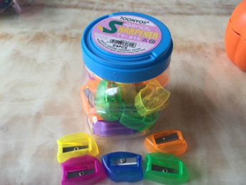 | 58.3*48.5*58.8 | 24个*90筒*2中箱 | 4320 | -
TY-816 | 笔刨 | 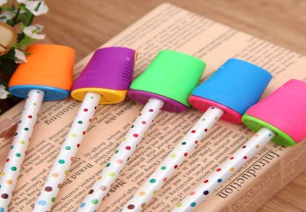 | 67.8*54.5*53.4 | 84个*20筒*3中箱 | 5040 | -
TY-819B | 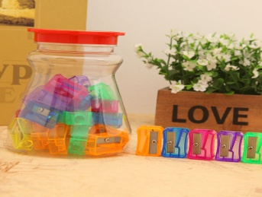 笔刨 |  | 59.6*51*53 | 36个*60筒*2中箱 | 4320 | -
TY-821 | 笔刨 |  | 63*59*53.5 | 72个*12筒*3中箱 | 2592 | -
TY-821B | 笔刨 | 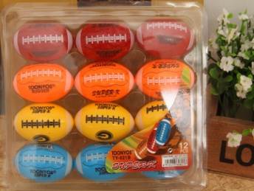 | 76.8*46.5*56.7 | 12个*60盒*3中箱 | 2160 | 2
TY-822 | 笔刨 | 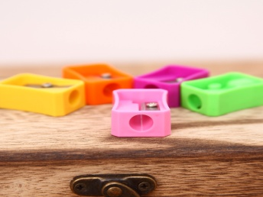 | 64.3*53.9*54 | 96个*30筒*3中箱 | 8640 | -
826 | 笔刨 |  | 62.6*58.5*50.6 | 36个*16盒*2中箱 | 1152 | 2
827 | 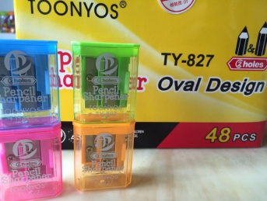 笔刨 |  | 45.5*42*56 | 48个*12盒*2中箱 | 1152 | -
831 | 笔刨 |  | 66*54.7*55.4 | 30个*90筒*2中箱 | 5400 | -
832 |  笔刨 |  | 59.5*51*53 | 36*18盒*2中箱 | 1296 | -
833 | 笔刨 |  | 50.5*46.5*56.5 | 48个*12盒*2中箱 | 1152 | 2
834 | 笔刨 |  | 58.5*52.5*46 | 48个*12盒*2中箱 | 1152 | -
835 | 笔刨 |  | 57*53.5*49 | 48个*12盒*2中箱 | 1152 | -
836 |  笔刨 |  | 51*46*54.5 | 48个*12盒*2中箱 | 1152 | -
838 |  笔刨 |  | 51*46*54.5 | 48个*12盒*2中箱 | 1152 | 2
839 | 笔刨 |  | 70*45.7*63 | 24个*24盒*2中箱 | 1152 | 2
840 | 笔刨 |  | 66*53*50.5 | 24个*24盒*2中箱 | 1152 | -
841 | 笔刨 |  | 50.5*49.5*55.3 | 48个*12盒*2中箱 | 1152 | 2
TY-8131 |  笔刨 |  | 72.6*44.3*61 | 60个*15筒*3中箱 | 2700 | -
TY-8131B | 笔刨 |  | 72.8*46*48.3 | 12个*60盒*3中箱 | 2160 | -

